Help
HELP

About
 | This action list template demonstrates how to rank ideas or tasks by potential value and estimated difficulty.

JAM Ranking
 | The JAM Rank is calculated by assigning a task a Value and Difficulty and then adding the values (1,2,3) together. A "Just Do It" is 3+3=6. A task to "Abandon" is a 1+1=2. A "Maybe" is either 1+3=4, 2+2=4, or 3+1=4.
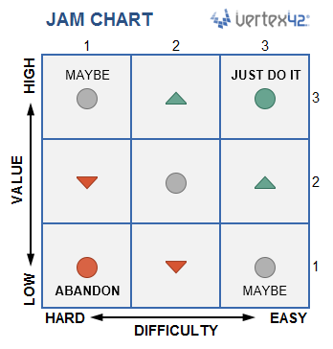

Conditional Formatting
 | Most of the features in this template use conditional formatting rules. To edit conditional formatting rules, go to Conditional Formatting > Manage Rules and select "This Worksheet" to see and edit all the rules.

